General
ob41 | table tbsl |  | Posting Key | Debit/Credit ind | Account type | Posting Key Name
 |  |  | 21 | S | K | Credit memo
 | G/L db.pstg ky: Enter a value for the general ledger debit memo posting key. For example, 40. | 40 | 22 | S | K | Reverse invoice
 | G/L cr.pstng ky: Enter a value for the general ledger credit memo posting key. For example, 50. | 50 | 24 | S | K | Other receivables
 | Vend deb.pstng ky: Enter a value for the debit memo posting key for the vendor. For example, 21. | 21 | 25 | S | K | Outgoing payment
 | Vend cred.pstng ky: Enter a value for the credit memo posting key for the vendor. For example, 31. | 31 | 26 | S | K | Payment difference
 | Invoice doc. type: Enter a value for the document type. For example, RE. | RE | 27 | S | K | Clearing
 | Cred.memo doc. type: Enter a value for the document type. For example, KG. | RE | 28 | S | K | Payment clearing
 |  |  | 29 | S | K | AdPay Debit
 | Non PO invoice | KR | 29 | S | K | AdPy OC Debit
 | Non PO credit invoice | KG | 29 | S | K | Amortiz.down payment
 |  |  | 29 | S | K | DP Offs Debit
 |  |  | 29 | S | K | Debit discount
 |  |  | 29 | S | K | Down payment made
 |  |  | 29 | S | K | Down payment request
 |  |  | 29 | S | K | Down payment stocks
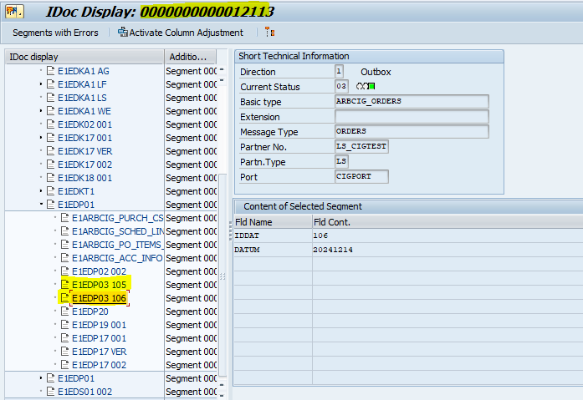
 |  |  | 29 | S | K | Down pmnt fin. asset
 |  |  | 29 | S | K | Dpmnt.Without Inv
 |  |  | 29 | S | K | Invest. down payment
 |  |  | 29 | S | K | No.of tangble assets
 |  |  | 29 | S | K | Payment request
 |  |  | 29 | S | K | Reset guarantee
 |  |  | 29 | S | K | Reverse b/e payable
 |  |  | 29 | S | K | Reverse check/bill
 |  |  | 29 | S | K | Reverse sec. deposit
 |  |  | 29 | S | K | Special G/L debit
 |  |  | 29 | S | K | Val. Bank transfer
 |  |  | 31 | H | K | Invoice
 |  |  | 32 | H | K | Reverse credit memo
 |  |  | 34 | H | K | Other payables
 |  |  | 35 | H | K | Incoming payment
 |  |  | 36 | H | K | Payment difference
 |  |  | 37 | H | K | Other clearing
 |  |  | 38 | H | K | Payment clearing
 |  |  | 39 | H | K | AdPay Credit
 |  |  | 39 | H | K | AdPy OC Credit
 |  |  | 39 | H | K | Bill of exch.payable
 |  |  | 39 | H | K | Check/bill of exch.
 |  |  | 39 | H | K | Credit discount
 |  |  | 39 | H | K | DP Offs Credit
 |  |  | 39 | H | K | Down payment request
 |  |  | 39 | H | K | Down payment stocks
 |  |  | 39 | H | K | Guarantee
 |  |  | 39 | H | K | Payment request
 |  |  | 39 | H | K | Rev. Val. Banktransf
 |  |  | 39 | H | K | Rev.Amortiz.downpmnt
 |  |  | 39 | H | K | Rev.Dpmnt.Wthout Inv
 |  |  | 39 | H | K | Rev.dwn pmnt fin.ast
 |  |  | 39 | H | K | Rev.invest.down pmnt
 |  |  | 39 | H | K | Reverse down payment
 |  |  | 39 | H | K | Reverse mat.down pmt
 |  |  | 39 | H | K | Security deposit
 |  |  | 39 | H | K | Special G/L credit

Sheet1
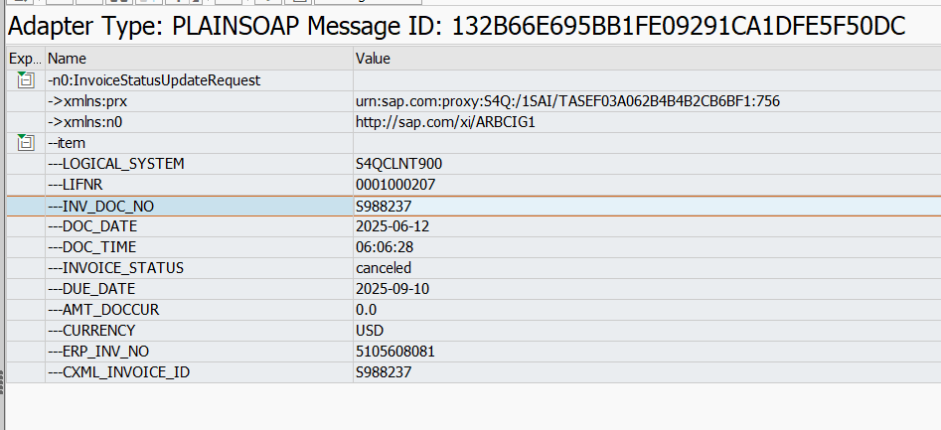

SAP Company Code
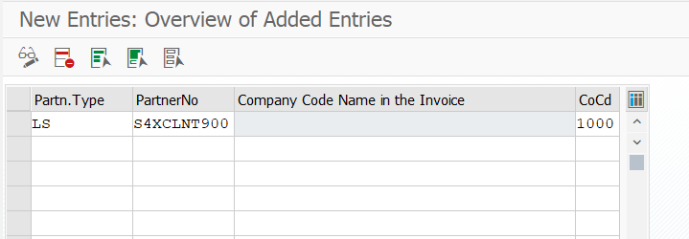
https://help.sap.com/docs/sisgw/sap-ariba-cloud-integration-gateway-configuration-guide/how-to-maintain-sap-company-code-for-each-of-partners

Posting Keys
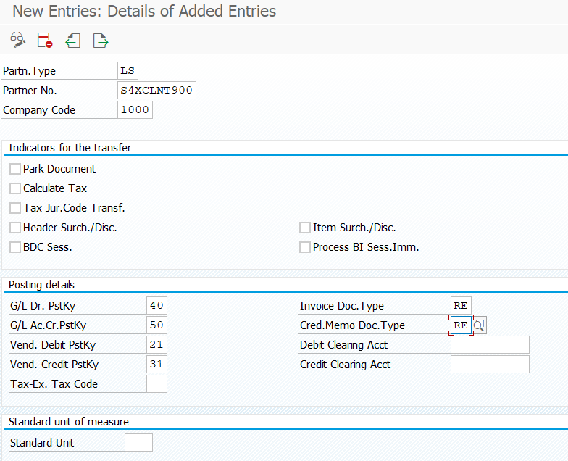
https://help.sap.com/docs/sisgw/sap-ariba-cloud-integration-gateway-configuration-guide/how-to-maintain-posting-keys-and-document-types-for-each-company-code

Customer Exit
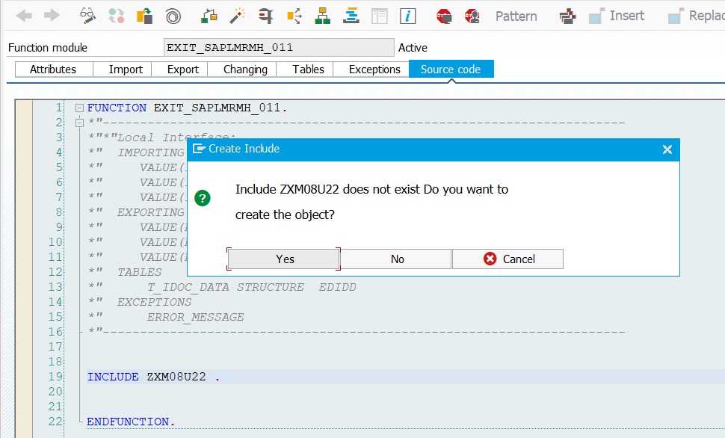
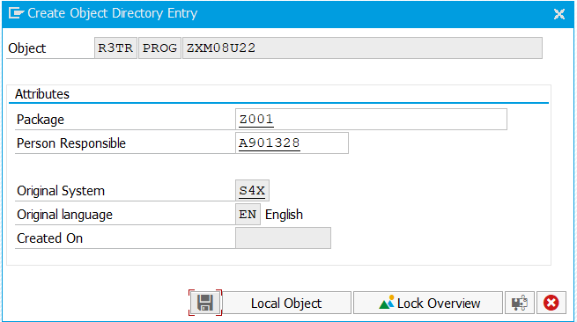
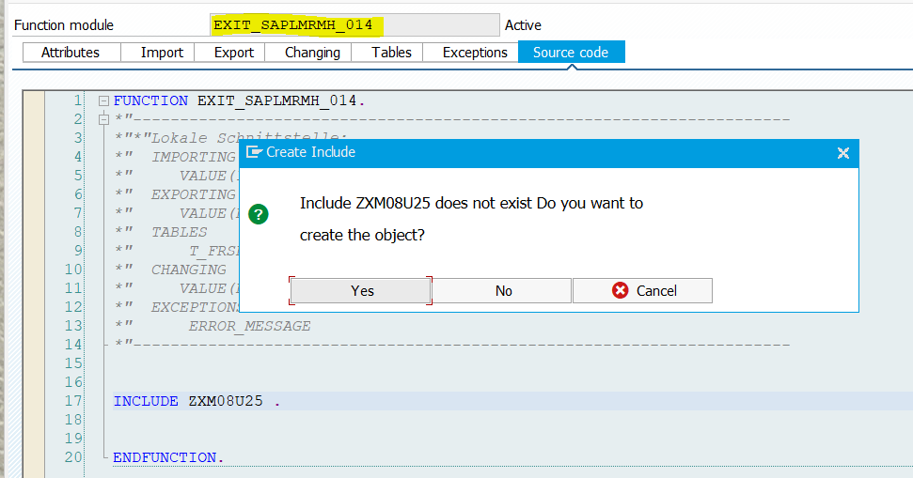
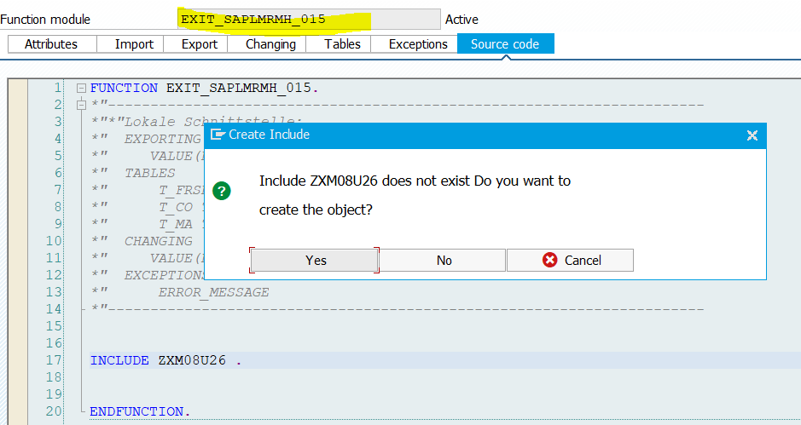
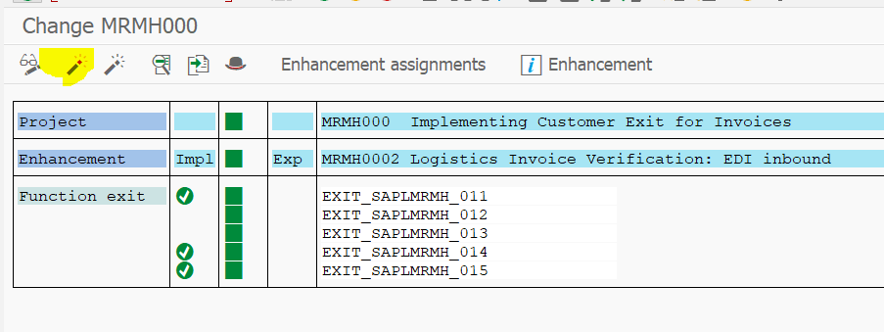
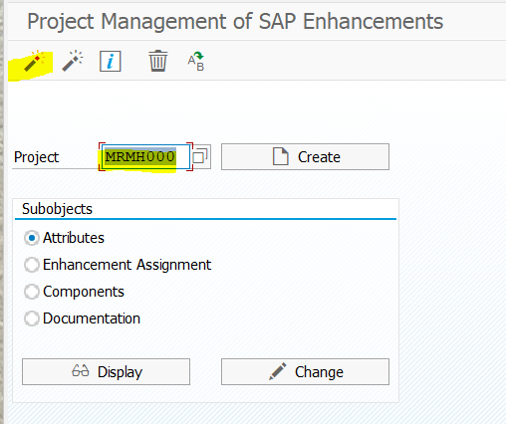
https://help.sap.com/docs/sisgw/sap-ariba-cloud-integration-gateway-configuration-guide/how-to-implement-customer-exit-for-invoices

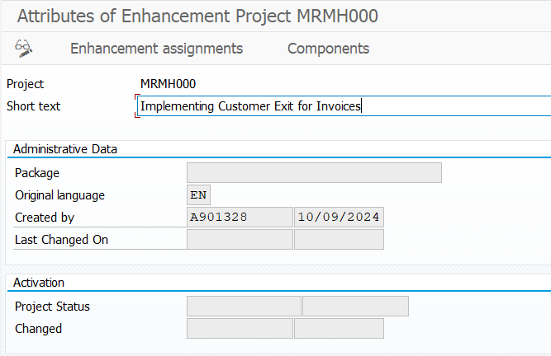
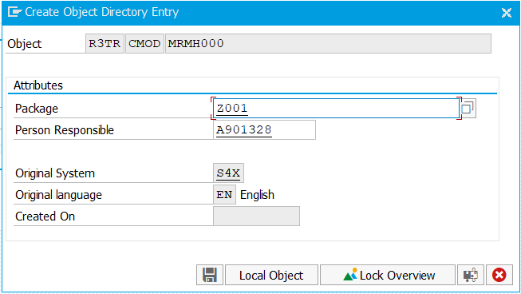

Click Enhancement assignments -> Add MRMH0002 --> Save

Click Components

1. Double-click EXIT_SAPLMRMH_011. The program INCLUDE - ZXM08U22 appears.
2. Double-click INCLUDE - ZXM08U22 in the Function Builder: Display EXIT_SAPLMRMH_011 page to create the program.

Attachments&Comments
https://help.sap.com/docs/sisgw/sap-ariba-cloud-integration-gateway-configuration-guide/how-to-enable-attachments-and-comments-for-invoices
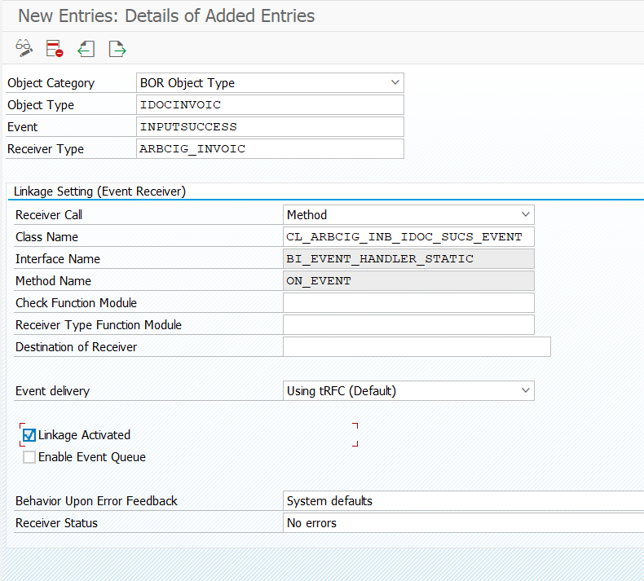

 |  | TCODE - SWE2

 | NO SEPARATE TR - INCLUDED IN PO CONFIRMATION TR

CrossReference CIG
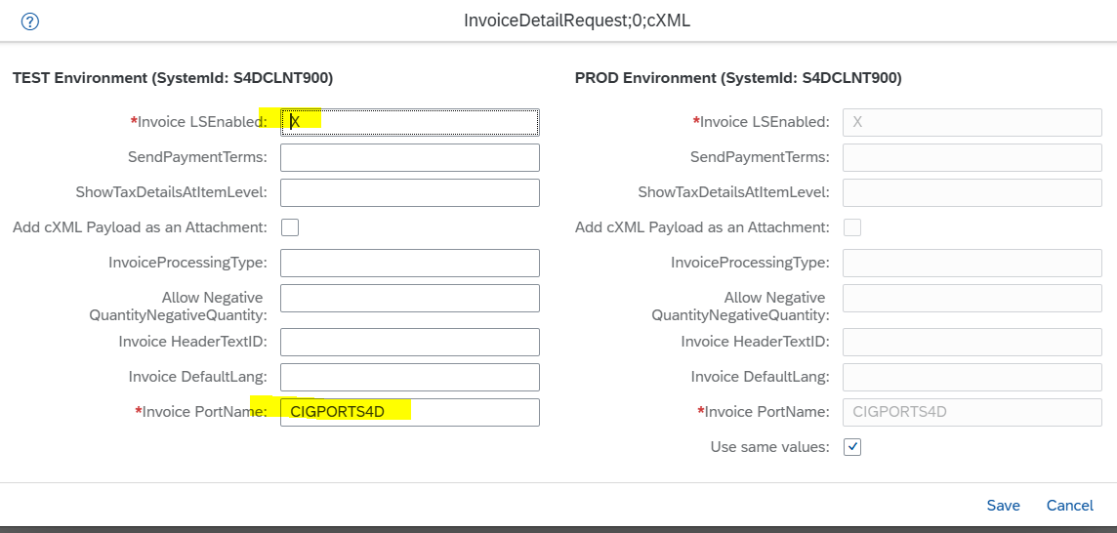
Click Next and Submit after entry

